Sign in with symbols
Център за обучение по софтуерно тестване Website: http://skillo-bg.com

Bug ID | APB001
Name | Registration with symbols is possible
Priority | P3
Severity | S3
Description | The User can writte symbols in Fisrt and Last name by login
Steps to reproduce | 1. Load http://automationpractice.com 2.Click "Sign in" button 3.Provide valid e-mail 4.Click "Create an account" button 5.Fill the fileds First and Last name with symbols Expected result: Error message is shown"symbols and numbers can't be used" Actual resuls: Registration with symbols is possible
Attachment | 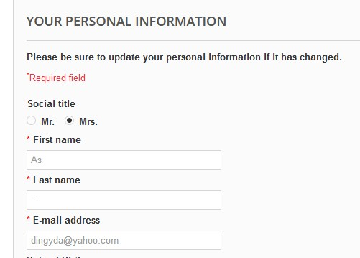 Created on 27.05.2019 19:42 ( UTC+02:00)
Status | New/To do
Component | Login
Version/Build number (Found in)
Environment | Mozilla Firefox Version 67.0 (64-bit); Google Chrome Version….. ;Internet Explorer Version 11.0.9600.19326;
Comments
Date Created | 2019-05-27
Author | Tsvetelina Dimitrova
Audit Log | Tsvetelina Dimitrova created the bug on 27.05.2019

Search button
Център за обучение по софтуерно тестване Website: http://skillo-bg.com

Bug ID | APB003
Name | Search function doesn't work corrertly
Priority | P3
Severity | S3
Description | When dresses are searched, they are listed not only dresses but other products
Steps to reproduce | 1. Load http://automationpractice.com 2.Writte "Dress" in Search field Expected result: Products with key word "dress" in their names are listed Actual resuls: Products with key word "dress" in names and others are listed
Attachment | 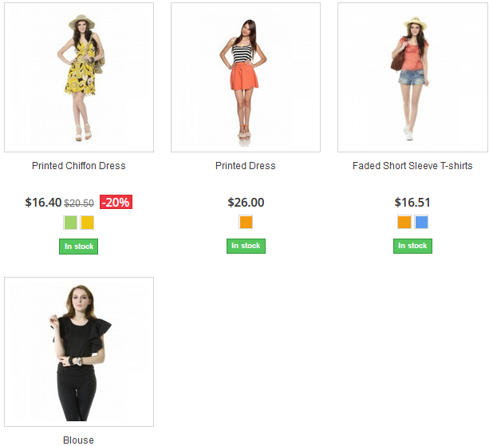 Created on 27.05.2019 20:08 ( UTC+02:00)
Status | New/To do
Component | Search button
Version/Build number (Found in)
Environment | Mozilla Firefox Version 67.0 (64-bit); Google Chrome Version….. ;Internet Explorer Version 11.0.9600.19326;
Comments
Date Created | 2019-05-27
Author | Tsvetelina Dimitrova
Audit Log | Tsvetelina Dimitrova created the bug on 27.05.2019

Banners
Център за обучение по софтуерно тестване Website: http://skillo-bg.com

Bug ID | APB005
Name | Banners redirect to unexpected website
Priority | P3
Severity | S3
Description | When user clicks on Banners: "Only online Summer collection" , "Excepteur occaecat", "3 days sale", "Top trends","Men's coats&jackets", "Women's coats&jackets" , "Sunglasses & Eyewear" , "Savvy trends" the site doesn’t redirect to the promotion
Steps to reproduce | 1. Load http://automationpractice.com 2.Click the Banner "3 days sale" Expected result: The site should redirects the user to the promotion Actual resuls: A totally different website is opened https://www.prestashop.com/en
Attachment | 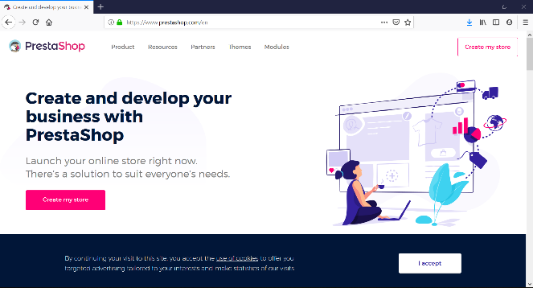 Created on 27.05.2019 21:04 ( UTC+02:00)
Status | New/To do
Component | Banner
Version/Build number (Found in)
Environment | Mozilla Firefox Version 67.0 (64-bit); Google Chrome Version….. ;Internet Explorer Version 11.0.9600.19326;
Comments
Date Created | 2019-05-27
Author | Tsvetelina Dimitrova
Audit Log | Tsvetelina Dimitrova created the bug on 27.05.2019

